notes
range.find
Return Value
A Range object that represents the first cell where that information is found

find method
Remarks
Find returns True if a match is found and False if a match isn't found.

match
expression.Match(Arg1, Arg2, Arg3)
expression A variable that represents a WorksheetFunction object.
Parameters
Name | Required/Optional | Data Type | Description
Arg1 | Required | Variant | Lookup_value - the value you use to find the value you want in a table.
Arg2 | Required | Variant | Lookup_array - a contiguous range of cells containing possible lookup values. Lookup_array must be an array or an array reference.
Arg3 | Optional | Variant | Match_type - the number -1, 0, or 1. Match_type specifies how Microsoft Excel matches lookup_value with values in lookup_array.
Return Value
Double
Returns the relative position of an item in an array |  |  |  | 1 | Sub IncRow()
 |  |  |  | 1 | Sub IncCol()
 |  |  |  | 1 | Sub LoadSumsGrid()
If a box has any pair of 2 digits exclusively in cells regardless of the length of the digit string in that cell of PVT |  |  |  | 1 | Sub ClearPossValsTbl()
in a row or column then those digits can be eliminated from the rest of that row or column |  |  |  | 1 | Sub ClearInitGridStore()
and other numbers can be eliminated from the cells they occupy |  |  |  | 1 | Sub ClearAllGridsAndTables()
 |  |  |  | 1 | Sub UnlockArea(ThisArea As Variant)
Public Const Sudoku As String = "Sudoku" |  |  |  | 1 | Sub LockArea(ThisArea As Variant)
Public Const Password As String = "sudoku" |  |  |  | 2 | Sub CLRGRID()
 |  |  |  | 2 | Sub ClrSumSngTbl()
Worksheets(Sudoku).Unprotect (Password) |  |  |  | 2 | Sub SetGivenMacro()
Worksheets(Sudoku).Range("B17:J25").Locked = False |  |  |  | 2 | Sub UseRedMacro()
 |  |  |  | 2 | Sub UseblueMacro()
Application.EnableAutoComplete = True |  |  |  | 2 | Sub UseGreenMacro()
 |  |  |  | 2 | Sub UsePurpleMacro()
 |  |  |  | 2 | Sub UseBlackMacro()
 |  |  |  | 2 | Sub ReloadStoredGrid()
 |  |  |  | 2 | Sub ALockProgram()
 |  |  |  | 2 | Sub AUnLockProgram()
 |  |  |  | 3 | Sub PossiblesGrid()
 |  |  |  | 3 | Sub ChangeFontColorMacro()
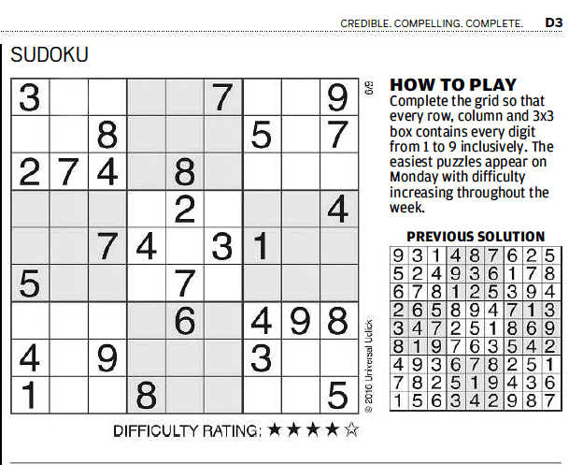
 |  |  |  | 3 | Sub FilterPairExclusions()
 |  |  |  | 3 | Sub DoBoxPairs()
 |  |  |  | 4 | Sub FindOnlyOnePossible() | Values in columns
 |  |  |  | 4 | Sub FindUniqueRowVals()
 |  |  |  | 4 | Sub ClrOPVtable()

